Amazon Web Services
Amazon Web Services (AWS) Security Questionnaire

How to complete this questionnaire: Please answer each question below with Yes, No, or N/A (choose an option from the dropdown list). Please read every question attentively and reply truthfully. The comments section is available to share extra information.

Security Management |  | ANSWER | COMMENTS | CIP Comments | Prognos Comments

 | Have you made sure the correct security contact information is present in your AWS account(s)? The AWS abuse response team uses email for abuse warning notifications. By default, this email goes to your registered email address, but you might want to create a dedicated response email address that can be accessed by a team rather than an individual. Additional email addresses can be added on the My Account page. | YES
 | Are you aware of the AWS abuse process and do you have a documented process describing your reaction to any potential filing of a case? When an abuse case is filed, AWS immediately sends an email notification to the customer's registered email address. AWS helps customers to mitigate and prevent abuse activities. But AWS requires users to react to abuse warnings. Lack of customer response may lead to instance and account blocks. | YES | Abuse Process : They email us, we respond to a potential item honestly and with cadence. Process is to email back and work with AWS to remediate if there is something we need to fix.
 | Do you have a documented process describing the steps to handle a compromised or infected Amazon EC2 instance or AWS resource? If an AWS instance or resource becomes infected or compromised, a plan should exist to isolate it and to work on a root cause analysis. | YES
 | Are you conducting third party penetration testing or red teaming exercises on at least a yearly basis of your AWS environment? To guarantee the efficiency of controls against new threats and vulnerabilities, you need to ensure that the infrastructure is protected against attacks. AWS supports both inbound and outbound penetration testing in the cloud, although you must first obtain explicit permission from AWS to do so. | YES

Identity & Access Management (IAM) |  | ANSWER | COMMENTS

 | Are you using your AWS root account for day-to-day interactions with AWS? AWS accounts have root permissions to all AWS resources and services, so they are very powerful. Do not use root account credentials for day-to-day interactions with AWS. | NO | Cleardata manages the users and security. We do not use any root account and it's prohibited.
 | Have you created multiple IAM users, each with individual security credentials? IAM users can be a person, service or application that needs access to your AWS resources through the management console, CLI, or directly via API's. | YES | Cleardata manages the users and security.
 | Have you created individual IAM users for each person that needs to access services and resources in your AWS account? Creating separate IAM users per individual is useful for achieving accountability at all times. The use of shared identities is strongly discouraged. | YES | Cleardata manages the users and security.
 | Have you created individual IAM users for each application or service that needs access to services and resources in your AWS account? Creating separate IAM users per application or service limits exposure in case of credential theft. | YES | Cleardata manages the users and security.
 | Have you created multiple AWS root accounts? Your AWS account represents a business relationship between you and AWS. It might be useful for businesses to create multiple AWS accounts for each autonomous part of the organization or to follow other business or governance requirements. | NO | Cleardata manages the users and security. No Secondary Root Accounts | How do you separate your production and development regions? Do you have a development region? If so, shouldn't you have separate root accounts for your different environments? If you don't have two environments, are you testing in production? | Only admins have accounts, and those have least privilge and not root access. There is only 1 root account that is managed by Cleardata on the AWS account that services our PROD environments. We have development regions and those are different AWS accounts and regions alltogether. They are seperate ROOT accounts, and seperate Admin IAM least privilege roles. We are testing in an AWS account that is for DEV/TESTING/QA . PROD is what Cleardata manages and also is involved in the certification of this environment.
 | Have you enabled multi-factor authentication (MFA) for all your AWS root accounts and IAM users that interactively logon to AWS websites? AWS Multi-factor authentication (MFA) provides an extra level of security for sign-in credentials. With MFA enabled, when users sign in to an AWS website, they will be prompted for their user name and password, as well as for an authentication code from their MFA device. | YES | Cleardata manages this process
 | Have you enabled hardware MFA for your AWS root accounts? A hardware MFA has a smaller attack surface than a virtal MFA. It is therefore recommended that the root accounts be protected with a hardware MFA. | NO | Cleardata manages this process | How do you prevent hacking? This is a risk, if you do not have it. | Cleardata analyses all root account usage in their logging apparatus by CIS benchmarks and requirements that are standard in the industry. They utilize Alertlogic and make sure Root accounts are not being utilized. They also utilize MFA internally for all access to the root account. We, as admins, do not even have access to the ROOT account and we also have limited IAM privs that we cannot modify other users in the system.
 | Have you registered security questions in your AWS root accounts? The AWS support portal allows account owners to establish security questions that can be used to authenticate individuals calling AWS customer service for support. It is recommended that security questions be established to protect root login access. | YES | Cleardata manages this process
 | Are you using IAM groups for managing access to AWS resources? IAM groups are a powerful tool for managing access to AWS resources. Even if you only have one user who requires access to a specific resource, as a best practice, you should identify or create a new AWS group for that access, and provision user access via group membership, as well as permissions and policies assigned to the group level. | YES | Cleardata manages this process
 | Are you using IAM roles? An IAM role lets you define a set of permissions to access the resources that a user or service needs, without directly attaching the permissions to the specific IAM user or group. Using IAM roles and temporary security credentials means you don't always have to manage long-term credentials and IAM users for each entity that requires access to a resource. | YES | Cleardata manages this process
 | Do you have IAM policies which are directly attached to IAM users? By default, IAM users, groups and roles have no access to AWS resources. IAM policies are the means by which privileges are granted to users, groups, or roles. It is recommended that IAM policies be applied directly to groups and roles but not users. This to reduce complexity. | NO | This is required to applied to Groups not Users.
 | Are you using Identity Federation? Identity Federation eliminates the requirement of creating and maintaining seperate AWS security credentials in order to make requests to AWS. | NO | We don't use federated ids. | Why don't you use federated IDs? We are moving towards federated SO. Federated SO is pretty much the standard now. | We do not use Federation as yet because we do not run services that require many people to log-in. When we do, we will no doubt use FSO.
 | Do you have a process in place that ensures AWS IAM credentials, such as passwords or access keys, unused for 90 days or greater are disabled? Disabling or removing unnecesary credentials will reduce the window of opportunity for credentials associated with a compromised or abandoned account to be used. | YES | Cleardata monitors and processes this. Validated my password was just required to be changed after 90days along with any keys.
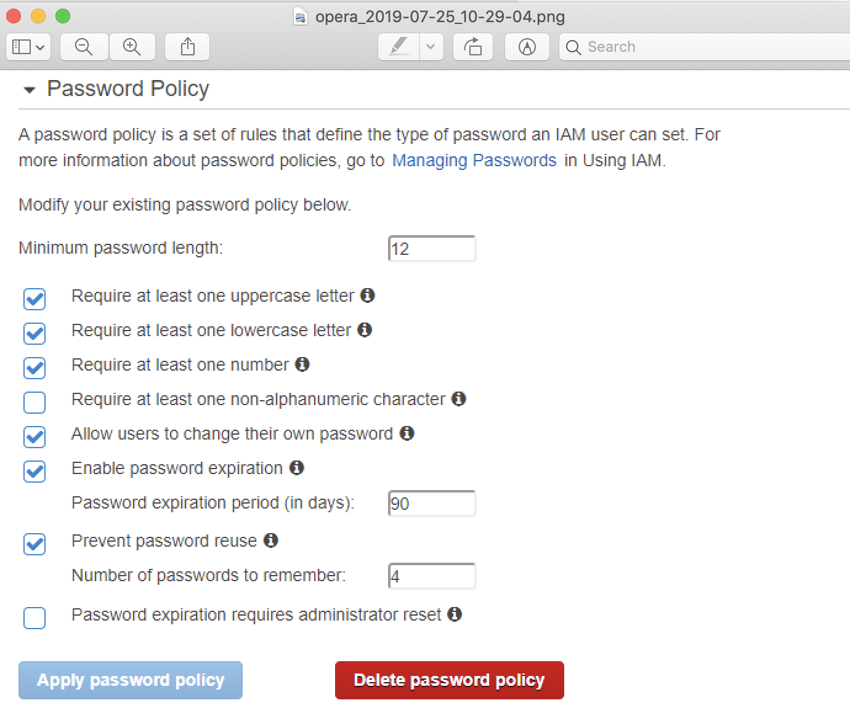
 | Are you ensuring access keys are rotated every 90 days or less? Access keys consist of an access key ID and secret access key, which are used to sign programmatic requests that you make to AWS. AWS users need their own access keys to make programmatic calls to AWS from the AWS CLI, tools for Windows PowerShell, the AWS SDKs, or direct HTTP calls using the APIs for individual AWS services. It is recommended that all access keys be regularly rotated. Rotating access keys will reduce the window of opportunity for an access key that is associated with a compromised or terminated account to be used. | YES
 | Do you regularly run least privilege checks using AWS IAM user Access Advisor and AWS IAM user Last Used Access Keys? | YES
 | Have you installed an IAM password complexity policy that applies to all your IAM users? If yes, please specify the policy in detail in the comments section. Setting a password complexity policy increases account resiliency against brute force login attempts. | YES |  | What is your policy, please? | To the right
 | Does your IAM password complexity policy require a minimum password length of 14 characters? Using long passwords increases account resiliency against brute force login attempts. | YES |  | What are the rules for password construction? Upper/lower case, special characters, numbers, passphrase? | To the right
 | Does your IAM password policy prevent password reuse? Preventing password reuse increases account resiliency against brute force login attempts. | YES
 | Does your IAM password policy expire password within 90 days or less? Reducing the password lifetime increases account resiliency against brute force login attempts. It also protects against the usage of stolen or compromised credentials. | YES
 | Have you made sure no root account access keys exist? The root account is the most privileged user in an AWS account. AWS access keys provide programmatic access to a given AWS account. It is recommended that all access keys associated with the root account be removed. | YES

Data Security |  | ANSWER | COMMENTS

 | Are you using AWS permissions to manage all access to resources for services such as Amazon S3? To ensure that data integrity is not compromised through deliberate or accidental modification, use resource permissions to limit the scope of users who can modify the data. | YES
 | Are you using data integrity checks in your AWS applications or in any application that uses AWS? Data integrity checks, such as Message Authentication Codes (SHA-1/SHA-2), or Hashed Message Authentication Codes (HMACs), digital signatures, or authenticated encryption (AES-GCM), can be used to detect data integrity compromise. | YES
 | Are you using versioning in Amazon S3? Versioning allows the restore of previous versions of an object. | YES | Depends on the type of S3 bucket we are utilizing and requirements but when applicable we do utilize. | Please provide more details around how and when you do this. Versioning is a good practice for S3 buckets. | All buckets on Cleardata/AWS PROD are versioned
 | Are you using multi-factor authentication (MFA) Delete in Amazon S3? MFA Delete requires MFA to delete an object. | NO | This is not applicable to our needs | Why is this not applicable to your needs? Please explain why you do not use this feature. | Our application does not work with MFA because MFA requires a human to interact with it. Humans do not have direct access to the bucket, only application. Applications have least privelege to specific buckets they work in.
 | Are you using server-side encryption for data stored in Amazon S3? Server-side encryption is transparent to the end user. AWS generates a unique encryption key for each object, and then encrypts the object using AES-256. The encryption key is then encrypted itself using AES-256 with a master key that is stored in a secure location. The master key is rotated on a regular basis. | YES
 | Are you using client-side encryption for data stored in Amazon S3? With client-side encryption you create and manage your own encryption keys. Data is stored in an encrypted form, with keys and algorithms only known to you. | YES
 | Are you using client-side encryption for data stored in Amazon Glacier? All data stored in Amazon Glacier is protected using server-side encryption. If you require more protection, you can encrypt data prior to uploading it to Amazon Glacier. | YES
 | If you are using client-side encryption, do you store your keys in on-premise tamper-proof storage, such as a Hardware Security Module (HSM)? Security measures that rely on encryption require keys. In the cloud, as in an on-premise system, it is essential to keep your keys secure. | N/A | We do not have on-premise system | Who is storing your keys, and how? What are your end user devices? Can folks access data from smart phones, from tablets, only from approved workstations? Devices must be encrypted. Amazon Glacier is a low-use environment. | People cannot access data from phones , tablets, or workstations, unless they are in a SECURE lab that is seperate, locked, and closely monitored. All devices we utilize in the cloud and outside of the cloud are required to be encrypted. We use AWS SSE and do not handle keys ourselves, os there is no need for storage.
 | If you are using client-side encryption, do you store your keys in CloudHSM? Security measures that rely on encryption require keys. In the cloud, as in an on-premise system, it is essential to keep your keys secure. | N/A | We do not have CloudHSM or a requirement for those | You've clearly stated that you use client-side encryption. If you are not using CloudHSM, what are you using, and where are those keys being stored? | All buckets are using Server Side Encryption. We are not using client-side encryption currently.
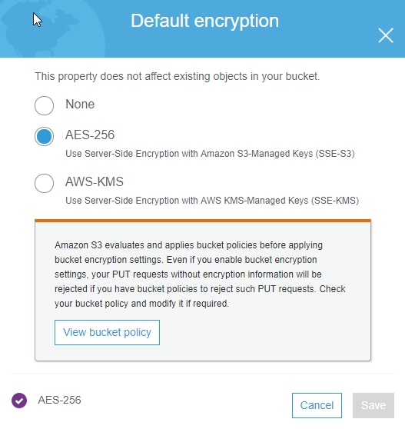
 | Are you using any kind of encryption technology for data stored on Amazon EBS volumes? Please indicate in the comments section which technology you are using (Microsoft Windows EFS, Bitlocker, Linux dm-crypt, TrueCrypt, SafeNet ProtectV, ...) Amazon EBS is the AWS abstract block storage service. You receive each Amazon EBS volume in raw, unformatted mode. Protecting the data on the Amazon EBS volume is the responsibility of the user. Notice that data deleted on block storage is not removed from the underlying physical media. Instead, the storage blocks are marked as unallocated. | YES

Host Security |  | ANSWER | COMMENTS

 | Are you using a secure communications technology like Remote Desktop Protocol (RDP) to manage your Microsoft Windows Servers hosted in AWS? Please indicate in the comments section if you are using a technology different from RDP to administer your AWS hosted Windows Servers. When managing your Windows servers, a protocol should be used that provides a secure communications channel between the client and the server. By default, RP connections establish an underlying SSL/TLS connection. | NO | We do not have or utilize Remote Desktop
 | Are you using trusted X.509 certificates on your RDP-enabled Windows servers? For optimal protection, the Windows servers being accessed should be issued trusted X.509 certificates to protect from identity spoofing or man-in-the-middle attacks. By default, Windows RDP servers use self-signed certificates, which are not trusted, and should be avoided. | NO | We do not have or utilize Remote Desktop
 | Are you using SSH version 2 using non-privileged accounts to manage your Linux servers hosted in AWS? SSH is the preferred approach for establishing administrative connections to Linux servers. SSH is a protocol that, like SSL, provides a secure communications channel between the client and the server. | YES
 | Are you using public Amazon Machine Instances (AMI)? | NO | We do not use public AMI's, we use Private AMI's in our Regions
 | If you are using public Amazon Machine Instances (AMI), are you making sure these have been provided by AWS or by any other trusted third parties? Launch AMI instances from trusted vendor's download locations only. Random sources of software on the Internet might actually be distributing malware inside otherwise legitimate and reputable packages. | YES | We only use trusted image locations and hardened images. Cleardata also manages this process and puts restrictions in place.
 | Are you creating and using custom Amazon Machine Instances (AMI)? You can create your own AMIs that meet the specific requirements of your organization and publish them for internal (private) or external (public) use. | YES | Cleardata creates these AMIs and patches/secures them
 | Have you published custom Amazon Machine Instances (AMI) for external use? | NO | Cleardata restricts this
 | If you have published custom Amazon Machine Instances (AMI) for external use, have you updated all softwares with relevant security patches and applied appropriate clean-up and hardening tasks? As a publisher of an AMI, you are responsible for the initial security posture of the machine images that you use in production. Before you publish an AMI, make sure that the published software is up to date with relevant security patches and perform necessary clean-up and hardening tasks. This includes all actions in relation to the removal of credentials, certificates or key material from disk and configuration files. | NO
 | Have you installed a security patch management process that covers all your AWS hosted instances? A well implemented security patch management process reduces the exposure to automatic spreading of malware. | YES | Cleardata manages that patching process
 | Have you installed a host-based IDS on all your AWS hosted instances? Please specify which solution you are using in the comments section. Use a host-based IDS to analyze important system files and folders and calculate checksums that reflect their trusted state. Then regularly check to see whether these files have been modified. | YES | Cleardata manages IDS system
 | Have you installed an antivirus/antispam solution on all your AWS hosted instances? Please specify which solution you are using in the comments section. Using a reputable and up-to-date antivirus and antispam solution reduces the exposure to automatic spreading of malware. | YES | Cleardata manages the Virus scanning agents/system

Network Security |  | ANSWER | COMMENTS

 | Are you using more than one Virtual Private Cloud (VPC)? If yes, please specify in the comments section how many VPC's you have created and for what use cases. Different security requirements mandate different security controls. It is a security best practice to segment infrastructure into zones that impose similar security controls. Use Amazon VPCs to define isolated networks for each workload or organizational entity. | YES | Cleardata architects the VPC and Subnets
 | Please specify in the comments section how many private subnets you are using. Private subnets are subnets which have no direct incoming connectivity with the Internet. | 8 | Cleardata architects the VPC and Subnets
 | Please specify in the comments section how many public subnets you are using. Public subnets are subnets that host instances configured to use Elastic IP's (EIP). | 4 | Cleardata architects the VPC and Subnets
 | Are you using security groups to protect all your Amazon EC2 instances? Use security groups to manage access to instances that have similar functions and security requirements. Security groups are stateful firewalls that enable firewall rules in both directions for every allowed and established TCP session or UDP communications channel. | YES | Cleardata follows AWS CIS Benchmarks so yes
 | Have you ensured no security groups allow ingress from 0.0.0.0/0 to port 22? Removing unfettered connectivity to remote console services, such as SSH, reduces a server's exposure to risk. | YES | Cleardata follows AWS CIS Benchmarks so yes
 | Have you ensured no security groups allow ingress from 0.0.0.0/0 to port 3389? Removing unfettered connectivity to remote console services, such as RDP, reduces a server's exposure to risk. | YES | Cleardata follows AWS CIS Benchmarks so yes
 | Have you ensured the default security group restricts all traffic? A VPC comes with a default security group whose initial settings deny all inbound traffic, allow all outbound traffic, and allow all traffic between instances assigned to the security group. Configuring the default security group to restrict all traffic will encourage least privilege security group development and mindful placement of AWS resources into security groups which will in-turn reduce the exposure of those resources. | YES | Cleardata follows AWS CIS Benchmarks so yes
 | Are you using Network Access Control Lists (NACL) on all your VPC subnets? Using Network Access Control Lists (NACLs) that allow stateless management of IP traffic. NACLs are agnostic of TCP and UDP sessions, but they allow granular control over IP protocols, as well as control on a per-source/destination IP address and port for TCP and UDP. NACLs work in conjunction with security groups, and can allow or deny traffic even before it reaches the security group. | YES | Cleardata follows AWS CIS Benchmarks so yes
 | To accept connections from Internet users, are you using Elastic IP's (EIP) or Elastic Load Balancing? By using Elastic Load Balancing to make instances reachable by Internet users, you avoid private subnets to turn into public subnets, or you are reducing risk because of the lack of direct connectivity from the Internet. | YES | ELB/NLB
 | Have you implemented a layered approach when building your VPC subnets to match your security architecture? Seperate subnets should at least be created to represent the presentation layer, application layer and data layer of the architecture. | YES | Cleardata architects the VPC and Subnets
 | Are you using a separate threat in-line protection layer to protect your applications? If yes, please specify the components in the comments section. Inline network-level security controls, where traffic is intercepted and analyzed prior to being forwarded to its final destination, provides defense in-depth. Examples are third-party firewall devices, unified threat management gateways, intrusion prevention systems, data loss management gateways, anomaly detection gateways, advanced persistent threat detection gateways. | YES | ClearDATA deploys AlertLogic IDS in-line to monitor and detects threats. In addition, AWS security groups and networking ACLs are used for control of inbound and outbound traffic.
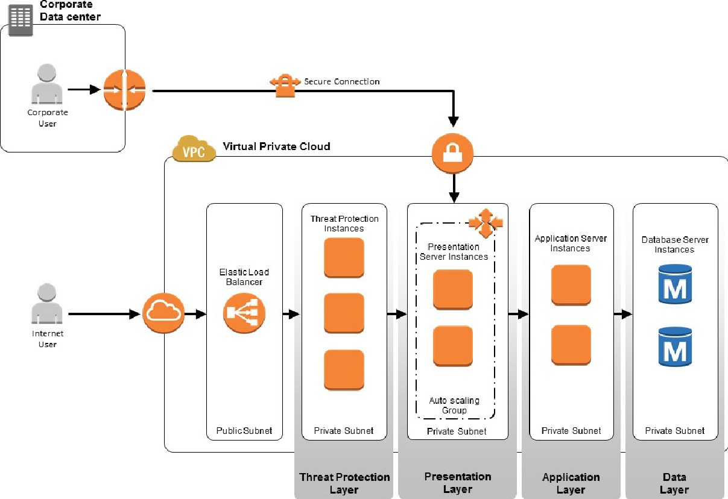

 | Are you using AWS Web Application Firewall (WAF)? AWS WAF is a web application firewall that helps protect your web applications from common web exploits that could affect application availability, compromise security, or consume excessive resources. | YES | VPN only WAF
 | Are you using a NAT instance for all outbound (to the Internet) access? For outbound (to the Internet) access, for example to fetch software updates or to access data on AWS public services, such as Amazon S3, you can use a NAT instance to provide masquerading for outgoing instances. | YES
 | Are you using VPC-IPSec to connect your on-premise infrastructure with your Amazon VPC resources? IPSec connections protect data in transit while integrating your Amazon VPC and on-premises routing domains for transparant integration for any application. | NO | We do not have on-premise
 | If you are using VPC-IPSec, are you using additional levels of protection such as SSL/TLS? | NO | We do not have on-premise
 | Are you using VPC-AWS Direct Connect to connect your on-premise infrastructure with your Amazon VPC resources? IPSec connections protect data in transit while integrating your Amazon VPC and on-premises routing domains for transparant integration for any application. | NO | We do not have on-premise
 | Are you using Virtual Gateway (VGW) where Amazon VPC-based resources require remote network connectivity? | NO | We do not have on-premise
 | If available, please provide a network schematic of your AWS setup.

Logging & Monitoring |  | ANSWER | COMMENTS

 | Have you enabled VPC Flow Logs in all regions? VPC Flow Logs is a feature that enables you to capture information about the IP traffic going to and from network interfaces in your VPC. After you've created a flow log, you can view and retrieve its data in Amazon CloudWatch Logs. | YES | Cleardata does this for CIS Benchmarks
 | Have you enabled CloudTrail in all regions? AWS CloudTrail is a web service that records AWS API calls for your account and delivers log files to you. The AWS API call history produced by CloudTrail enables security analysis, resource change tracking, and compliance auditing. | YES | Cleardata does this for CIS Benchmarks
 | Have you enabled log file validation of CloudTrail logs? CloudTrail log file validation creates a digitally signed digest file containing a hash of each log that CloudTrail writes to S3. These digest files can be used to determine whether a log file was changed, deleted, or unchaged after CloudTrail delivered the log. Enabling log file validation will provide additional integrity checking of CloudTrail logs. | YES | Cleardata does this for CIS Benchmarks
 | Have you ensured the S3 bucket used to store CloudTrail logs is not publicly accessible? CloudTrail logs a record of every API call made in your AWS accounts to a designated S3 bucket. It is recommended that the bucket policy or access control list applied to the S3 bucket prevents public access to the logs. Allowing public access to CloudTrail logs may aid an adversary in identifying weaknesses in the affected account's use or configuration. | YES | Cleardata does this for CIS Benchmarks
 | Have you integrated CloudTrail output with CloudWatch Logs? Sending CloudTrail logs to CloudWatch Logs will facilitate real-time and historic activity logging based on user, API, resource, and IP address, and provides opportunity to establish alarms and notifications for anomalous or sensitive account activity. | YES | Cleardata does this for CIS Benchmarks
 | Have you enabled AWS Config in all regions? AWS Config is a web service that performs configuration management of supported AWS resources within your account and delivers log files to you. The AWS configuration item history captured by AWS Config enables security analysis, resource change tracking, and compliance auditing. | YES | Cleardata does this for CIS Benchmarks
 | Have you enabled SSE-KMS encryption of CloudTrail logs? CloudTrail logs can be configured to leverage server side encryption (SSE) and KMS customers created master keys (CMK) to further protect CloudTrail logs. Configuring CloudTrail to use SSE-KMS provides additional confidentiality controls on log data as a given user must have S3 read permissions on the corresponding log bucket and must be granted decrypt permission by the CMK policy. | YES | Cleardata does this for CIS Benchmarks
 | Have you configured a log metric filter and alarm for unauthorized API calls? Real-time monitoring of API calls can be achieved by directing CloudTrail logs to CloudWatch Logs and establishing corresponding metric filters and alarms. It is recommended that a metric filter and alarm be established for unauthorized API calls. Monitoring unauthorized API calls will help reveal application errors and may reduce time to detect malicious activity. | YES | Cleardata does this for CIS Benchmarks
 | Have you configured a log metric filter and alarm for Management Console sign-in without MFA? Real-time monitoring of API calls can be achieved by directing CloudTrail logs to CloudWatch Logs and establishing corresponding metric filters and alarms. It is recommended that a metric filter and alarm be established for console logins that are not protected by multi-factor authentication (MFA). Monitoring for single-factor console logins will increase visibility into accounts that are not protected by MFA. | YES | Cleardata does this for CIS Benchmarks
 | Have you configured a log metric filter and alarm for usage of the root AWS account? Real-time monitoring of API calls can be achieved by directing CloudTrail logs to CloudWatch Logs and establishing corresponding metric filters and alarms. It is recommended that a metric filter and alarm be established for root login attempts. Monitoring for root account logins will provide visibility into the use of a fully privileged account and an opportunity to reduce the use of it. | YES | Cleardata does this for CIS Benchmarks
 | Have you configured a log metric filter and alarm for IAM policy changes? Real-time monitoring of API calls can be achieved by directing CloudTrail logs to CloudWatch Logs and establishing corresponding metric filters and alarms. It is recommended that a metric filter and alarm be established for changes made to Identity and Access Management (IAM) policies. Monitoring changes to IAM policies will help ensure authentication and authorization controls remain intact. | YES | Cleardata does this for CIS Benchmarks
 | Have you configured a log metric filter and alarm for CloudTrail configuration changes? Real-time monitoring of API calls can be achieved by directing CloudTrail logs to CloudWatch Logs and establishing corresponding metric filters and alarms. It is recommended that a metric filter and alarm be established for detecting changes to CloudTrail's configuration. Monitoring changes to CloudTrail's configuration will help ensure sustained visibility to activities performed in the AWS account. | YES | Cleardata does this for CIS Benchmarks
 | Have you configured a log metric filter and alarm for AWS Management Console authentication failures? Real-time monitoring of API calls can be achieved by directing CloudTrail logs to CloudWatch Logs and establishing corresponding metric filters and alarms. It is recommended that a metric filter and alarm be established for failed console authentication attempts. Monitoring failed console logins may decrease lead time to detect an attempt to brute force a credential, which may provide an indicator, such as source IP, that can be used in other event correlation. | YES | Cleardata does this for CIS Benchmarks
 | Have you configured a log metric filter and alarm for S3 bucket policy changes? Real-time monitoring of API calls can be achieved by directing CloudTrail logs to CloudWatch Logs and establishing corresponding metric filters and alarms. It is recommended that a metric filter and alarm be established for changes to S3 bucket policies. Monitoring changes to S3 bucket policies may reduce time to detect and correct permissive policies on sensitive S3 buckets. | YES | Cleardata does this for CIS Benchmarks
 | Have you configured a log metric filter and alarm for AWS Config configuration changes? Real-time monitoring of API calls can be achieved by directing CloudTrail logs to CloudWatch Logs and establishing corresponding metric filters and alarms. It is recommended that a metric filter and alarm be established for detecting changes to AWS Config configuration changes. Monitoring changes to AWS Config configuration will help ensure sustained visibility of configuration items within the AWS account. | YES | Cleardata does this for CIS Benchmarks
 | Have you configured a log metric filter and alarm for Security Group changes? Real-time monitoring of API calls can be achieved by directing CloudTrail logs to CloudWatch Logs and establishing corresponding metric filters and alarms. Security Groups are a stateful packet filter that controls ingress and egress traffic within a VPC. It is recommended that a metric filter and alarm be established to detect changes to Security Groups. Monitoring changes to Security Groups will help ensure that AWS resources and services are not unintentionally exposed. | YES | Cleardata does this for CIS Benchmarks
 | Have you configured a log metric filter and alarm for changes to Network Access Control Lists (NACL)? Real-time monitoring of API calls can be achieved by directing CloudTrail logs to CloudWatch Logs and establishing corresponding metric filters and alarms. NACLs are used as a stateless packet filter to control ingress and egress traffic for subnets within a VPC. It is recommended that a metric filter and alarm be established to detect changes to NACLs. Monitoring changes to NACLs will help ensure that AWS resources and services are not unintentionally exposed. | YES | Cleardata does this for CIS Benchmarks
 | Have you configured a log metric filter and alarm for changes to network gateways? Real-time monitoring of API calls can be achieved by directing CloudTrail logs to CloudWatch Logs and establishing corresponding metric filters and alarms. Network gateways are required to send/receive traffic to a destination outside of a VPC. It is recommended that a metric filter and alarm be established to detect changes to network gateways. Monitoring changes to network gateways will help ensure that all ingress/egress traffic traverses the VPC border via a controlled path. | YES | Cleardata does this for CIS Benchmarks
 | Have you configured a log metric filter and alarm for changes to route tables? Real-time monitoring of API calls can be achieved by directing CloudTrail logs to CloudWatch Logs and establishing corresponding metric filters and alarms. Routing tables are used to route network traffic between subnets and to network gateways. It is recommended that a metric filter and alarm be established to detect changes to route tables. Monitoring changes to route tables will help ensure that all VPC traffic flows through an expected path. | YES | Cleardata does this for CIS Benchmarks
 | Have you configured a log metric filter and alarm for changes made to VPCs? Real-time monitoring of API calls can be achieved by directing CloudTrail logs to CloudWatch Logs and establishing corresponding metric filters and alarms. It is possible to have more than 1 VPC within an account, in addition it is also possible to create a peer connection between 2 VPCs enabling network traffic to route between VPCs. It is recommended that a metric filter and alarm be established to detect changes made to VPCs. | YES | Cleardata does this for CIS Benchmarks

Microsoft Azure
Microsoft Azure Security Questionnaire

How to complete this questionnaire: Please answer each question below with Yes, No, or N/A (choose an option from the dropdown list). Please read every question attentively and reply truthfully. The comments section is available to share extra information.

Security Management |  | ANSWER | COMMENTS

 | Are you actively making use of Azure Security Center? Azure Security Center helps you prevent, detect, and respond to threats with increased visibility into and control over the security of your Azure resources. It provides integrated security monitoring and policy management across your Azure subscriptions, helps detect threats that might otherwise go unnoticed, and works with a broad ecosystem of security solutions.
 | Are you making use of the standard tier subscription of Azure Security Center? The standard tier subscription adds advanced threat detection capabilities, including threat intelligence, behavioral analysis, anomaly detection, security incidents, and threat assessment reports.
 | Have you provided security contact details in Azure Security Center for all your subscriptions? Azure Security Center will recommend that you provide security contact details for your Azure subscription if you haven’t already. This information will be used by Microsoft to contact you if the Microsoft Security Response Center (MSRC) discovers that your customer data has been accessed by an unlawful or unauthorized party. MSRC performs select security monitoring of the Azure network and infrastructure and receives threat intelligence and abuse complaints from third parties.
 | Have you configured Azure Security Center to send emails about alerts for all your subscriptions? Azure Security Center can be configured to send emails to the security contacts in the case of high severity alerts.

Identity & Access Management (IAM) |  | ANSWER | COMMENTS

 | Have you enabled Azure Multi-Factor Authentication for all your users accessing the Azure portal and O365? By enabling Azure MFA for your users, you are adding a second layer of security to user sign-ins and transactions. Azure MFA also helps IT to reduce the likelihood that a compromised credential will have access to organization’s data.
 | Have you used Azure Role-Based Access Control (RBAC) to enforce security policies for data access? Restrict access based on the need to know and least privilege security principles. Organizations that do not enforce data access control by leveraging capabilities such as RBAC may be giving more privileges than necessary for their users. This can lead to data compromise by having some users having access to data that they shouldn’t have in the first place.
 | Have you synchronized your on-premise directory with your cloud directory using Azure AD Connect? Organizations that fail to integrate their on-premises identity with their cloud identity will experience increased administrative overhead in managing accounts, which increases the likelihood of mistakes and security breaches.
 | Have you federated your on-premise identity with your cloud directory using Active Directory Federation Services (AD FS)? Organizations that fail to integrate their on-premises identity with their cloud identity will experience increased administrative overhead in managing accounts, which increases the likelihood of mistakes and security breaches.
 | Have you enabled Single Sign-On (SSO) for your SaaS applications? Organizations that do not enforce SSO for their users and applications are more exposed to scenarios where users will have multiple passwords which directly increases the likelihood of users reusing passwords or using weak passwords.
 | Are you actively using Azure AD Premium anomaly reports to monitor for suspicious activities? It is important to have an active identity monitor system in place that can quickly detect suspicious behavior activity and trigger an alert for further investigation.
 | Are you actively using Azure Active Directory Identity Protection to monitor for suspicious activities? It is important to have an active identity monitor system in place that can quickly detect suspicious behavior activity and trigger an alert for further investigation.

Data Security |  | ANSWER | COMMENTS

 | Are you leveraging Azure Disk Encryption on all your Azure Virtual Machines? You can leverage Azure Disk Encryption to help protect and safeguard your data to meet your organizational security and compliance requirements. Organizations should also consider using encryption to help mitigate risks related to unauthorized data access. It is also recommended that you encrypt drives prior to writing sensitive data to them.
 | Are you using the Azure Key Vault service to store all key material that is used to access and encrypt Cigna data? Azure Key Vault helps safeguard cryptographic keys and secrets used by cloud applications and services. By using Key Vault, you can encrypt keys and secrets (such as authentication keys, storage account keys, data encryption keys, .PFX files, and passwords) by using keys that are protected by hardware security modules (HSMs).
 | Are you using Azure SQL Database Transparant Data Encryption (TDE) on all databases containing Cigna data? Azure SQL Database transparent data encryption (TDE) helps protect against the threat of malicious activity by performing real-time encryption and decryption of the database, associated backups, and transaction log files at rest without requiring changes to the application. Even when the entire storage is encrypted, it is very important to also encrypt your database itself.
 | Are you using Azure SQL Always Encrypted for all Cigna data? Always Encrypted is a feature designed to protect sensitive data, stored in Azure SQL Database or SQL Server databases. Always Encrypted allows clients to encrypt sensitive data inside client applications and never reveal the encryption keys to the Database Engine (SQL Database or SQL Server). As a result, Always Encrypted provides a separation between those who own the data (and can view it) and those who manage the data (but should have no access).
 | Are you using Azure Storage Service Encryption (SSE) for all storage accounts containing Cigna data? Azure Storage Service Encryption (SSE) for Data at Rest helps you protect and safeguard your data to meet your organizational security and compliance commitments. With this feature, Azure Storage automatically encrypts your data prior to persisting to storage and decrypts prior to retrieval. The encryption, decryption, and key management are totally transparent to users.
 | Are you using the Azure Storage Client Library for .NET Nuget package? The Azure Storage Client Library for .NET Nuget package supports encrypting data within client applications before uploading to Azure Storage, and decrypting data while downloading to the client.
 | Are you using Azure Rights Management? Azure RMS uses encryption, identity, and authorization policies to help secure your files and email. Azure RMS works across multiple devices — phones, tablets, and PCs by protecting both within your organization and outside your organization. This capability is possible because Azure RMS adds a level of protection that remains with the data, even when it leaves your organization’s boundaries.

Host Security |  | ANSWER | COMMENTS

 | Have you deployed the Microsoft Antimalware security extension to all your Azure VM's? Microsoft Antimalware for Azure Cloud Services and Virtual Machines is a real-time protection capability that helps identify and remove viruses, spyware, and other malicious software, with configurable alert when known malicious or unwanted software attempts to install itself or run on your system.
 | Have you deployed the Trend Micro Deep Security as a Service security extension to all your Azure VM's? Trend Micro Deep Security as a Service provides a complete set of security capabilities required for both physical and Virtual Machines. Deep Security Services delivers the following capabilities – Anti-Malware protection, Intrusion Detection, Firewall, Web Reputation, and Integrity Monitoring.
 | Have you deployed the Symantec Endpoint security extension to all your Azure VM's? Symantec Endpoint Protection provides multiple layers of protection spreading across Network Protection, File Protection, Reputation Protection, Repair and Remediation.

Network Security |  | ANSWER | COMMENTS

 | Are you using more than one Azure Virtual Network (VNet)? If yes, please specify in the comments section how many VNet's you have created and for what use cases. Different security requirements mandate different security controls. It is a security best practice to segment infrastructure into zones that impose similar security controls. Use Azure VNets to define isolated networks for each workload or organizational entity.
 | Are you using Network Security Groups (NSGs) between all your VNet subnets? Routing between subnets will happen automatically and you do not need to manually configure routing tables. However, the default setting is that there are no network access controls between the subnets you create on the Azure Virtual Network. Using NSGs for network access control between subnets enables you to put resources that belong to the same security zone or role in their own subnets.
 | Have you implemented a layered approach when building your VNet subnets to match your security architecture? Seperate subnets should at least be created to represent the presentation layer, application layer and data layer of the architecture.
 | Are you using User Defined Routes? When you put a virtual machine on an Azure Virtual Network, you’ll notice that the virtual machine can connect to any other virtual machine on the same Azure Virtual Network, even if the other virtual machines are on different subnets. While the default system routes are useful for many deployment scenarios, there are times when you want to customize the routing configuration for your deployments.
 | Are you using Azure network security appliances? If yes, please specify in the comments section which products you are using. Azure network security appliances can deliver significantly enhanced levels of security over what is provided by network level controls.
 | Have you enabled Forced Tunneling for your backend and mid-tier virtual networks? The default routes for an Azure Virtual Network allow virtual machines to initiate traffic to the Internet. This too can represent a security risk, as these outbound connections could increase the attack surface of a virtual machine and be leveraged by attackers. For this reason, we recommend that you enable forced tunneling on your virtual machines when you have cross-premises connectivity between your Azure Virtual Network and your on-premises network.
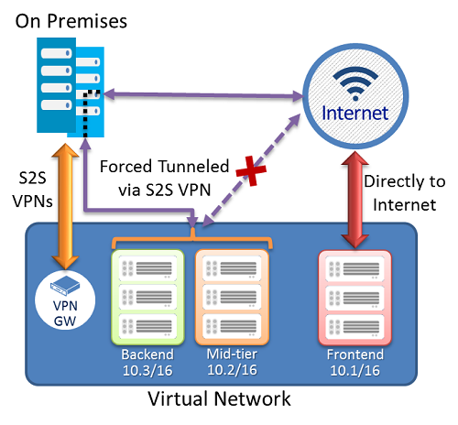

 | Have you deployed one or more DMZs for security zoning? A DMZ or “perimeter network” is a physical or logical network segment that is designed to provide an additional layer of security between your assets and the Internet. The intent of the DMZ is to place specialized network access control devices on the edge of the DMZ network so that only desired traffic is allowed past the network security device and into your Azure Virtual Network. Here you would typically enable DDoS prevention, Intrusion Detection/Intrusion Prevention systems (IDS/IPS), firewall rules and policies, web filtering, network antimalware and more.
 | Are you using a Site-to-Site VPN to connect your Azure Virtual Networks to your on-premises network? Site-to-site VPN represents a virtual private connection between your on-premises network and an Azure Virtual Network. This connection takes place over the Internet and allows you to “tunnel” information inside an encrypted link between your network and Azure. Site-to-site VPN is a secure, mature technology that has been deployed by enterprises of all sizes for decades.
 | Are you using ExpressRoute to connect your Azure Virtual Networks to your on-premises network? If you require an exceptional level of security or performance for your cross-premises connections, we recommend that you use Azure ExpressRoute for your cross-premises connectivity. ExpressRoute is a dedicated WAN link between your on-premises location or an Exchange hosting provider. Because this is a telco connection, your data doesn’t travel over the Internet and therefore is not exposed to the potential risks inherent in Internet communications.
 | Are you using an Azure Application Gateway? Azure Application Gateway is an HTTP load balancer. HTTP-based load balancing bases decisions about what server to send connections using characteristics of the HTTP protocol.
 | Are you using an Azure External Load Balancer? External load balancing takes place when incoming connections from the Internet are load balanced among your servers located in an Azure Virtual Network. The Azure External Load balancer can provide you this capability and we recommend that you use it when you don’t require the sticky sessions or SSL offload. In contrast to HTTP-based load balancing, the External Load Balancer uses information at the network and transport layers of the OSI networking model to make decisions on what server to load balance connection to. We recommend that you use External Load Balancing whenever you have stateless applications accepting incoming requests from the Internet.
 | Are you using an Azure Internal Load Balancer? Internal load balancing is similar to external load balancing and uses the same mechanism to load balance connections to the servers behind them. The only difference is that the load balancer in this case is accepting connections from virtual machines that are not on the Internet. In most cases, the connections that are accepted for load balancing are initiated by devices on an Azure Virtual Network. We recommend that you use internal load balancing for scenarios that will benefit from this capability, such as when you need to load balance connections to SQL Servers or internal web servers.
 | Are you using Azure Traffic Manager? Public cloud computing makes it possible to deploy globally distributed applications that have components located in datacenters all over the world. This is possible on Microsoft Azure due to Azure’s global datacenter presence. In contrast to the load balancing technologies mentioned earlier, global load balancing makes it possible to make services available even when entire datacenters might become unavailable. You can get this type of global load balancing in Azure by taking advantage of Azure Traffic Manager. Traffic Manager makes is possible to load balance connections to your services based on the location of the user.
 | Have you disabled RDP/SSH access to your Azure Virtual Machines from the Internet? It is possible to reach Azure Virtual Machines using the Remote Desktop Protocol (RDP)and the Secure Shell (SSH) protocols. These protocols make it possible to manage virtual machines from remote locations and are standard in datacenter computing. The potential security problem with using these protocols over the Internet is that attackers can use various brute force techniques to gain access to Azure Virtual Machines. Once the attackers gain access, they can use your virtual machine as a launch point for compromising other machines on your Azure Virtual Network or even attack networked devices outside of Azure. Because of this, we recommend that you disable direct RDP and SSH access to your Azure Virtual Machines from the Internet.

Logging & Monitoring |  | ANSWER | COMMENTS

 | Have you configured Azure Security Center security policies which collect data from all your deployed virtual machines? It is recommended to turn on data connection for each subscription to ensure that security monitoring is available for all existing and new VMs.
 | Have you configured Azure Security Center prevention policies which show recommendations for system updates? This policy retrieves a daily list of available security and critical updates from Windows Update or Windows Server Update Services. The retrieved list depends on the service that's configured for that virtual machine and recommends that the missing updates be applied. For Linux systems, the policy uses the distro-provided package management system to determine packages that have available updates. It also checks for security and critical updates from Azure Cloud Services virtual machines.
 | Have you configured Azure Security Center prevention policies which show recommendations for OS vulnerabilities? This policy analyzes operating system configurations daily to determine issues that could make the virtual machine vulnerable to attack. The policy also recommends configuration changes to address these vulnerabilities. See the list of recommended baselines for more information about the specific configurations that are being monitored.
 | Have you configured Azure Security Center prevention policies which show recommendations for endpoint protection? This policy recommends endpoint protection to be provisioned for all Windows virtual machines to help identify and remove viruses, spyware, and other malicious software.
 | Have you configured Azure Security Center prevention policies which show recommendations for disk encryption? This policy recommends enabling disk encryption in all virtual machines to enhance data protection at rest.
 | Have you configured Azure Security Center prevention policies which show recommendations for network security groups? This policy recommends that network security groups be configured to control inbound and outbound traffic to VMs that have public endpoints. Network security groups that are configured for a subnet will be inherited by all virtual machine network interfaces unless otherwise specified. In addition to checking that a network security group has been configured, this policy assesses inbound security rules to identify rules that allow incoming traffic.
 | Have you configured Azure Security Center prevention policies which show recommendations for web applications firewall? This policy recommends that a web application firewall be provisioned on virtual machines when either of the following is true: - Instance-level public IP (ILPIP) is used and the inbound security rules for the associated network security group are configured to allow access to port 80/443. - Load-balanced IP is used and the associated load balancing and inbound network address translation (NAT) rules are configured to allow access to port 80/443.
 | Have you configured Azure Security Center prevention policies which show recommendations for next generation firewall? This policy extends network protections beyond network security groups, which are built into Azure. Security Center will discover deployments for which a next generation firewall is recommended and enable you to provision a virtual appliance.
 | Have you configured Azure Security Center prevention policies which show recommendations for SQL auditing & threat detection? This policy recommends that auditing of access to Azure Database be enabled for compliance and also advanced threat detection, for investigation purposes.
 | Have you configured Azure Security Center prevention policies which show recommendations for SQL transparant data encryption? This policy recommends that encryption at rest be enabled for your Azure SQL Database, associated backups, and transaction log files. Even if your data is breached, it will not be readable.
 | Have you configured Azure Security Center prevention policies which show recommendations for vulnerability assessment? This policy recommends that you install a vulnerability assessment solution on your VM.
 | Do you have a process in place to review and respond to Azure Security Center alerts on a regular basis? Security Center automatically collects, analyzes, and integrates log data from your Azure resources, the network, and connected partner solutions, like firewall and endpoint protection solutions, to detect real threats and reduce false positives. A list of prioritized security alerts is shown in Security Center along with the information you need to quickly investigate the problem and recommendations for how to remediate an attack

